Freshcut-Dicing
Parameters | Desc | Value | Unit | Reference | Justification

2,511,886.43

1 | 1 | 1 | 1 | 1 | 1 | 1 | 1 | 1 | 1
3.0145135931 | 2.6727330009 | 2.36970293 | 2.10102991 | 1.8628185951 | 1.6516152872 | 1.4643578629 | 1.2983313773 | 1.1511287015 | 1.020615623
1033983.4634 | 470687.86411 | 234262.58432 | 126191.44401 | 72915.287932 | 44834.805203 | 29131.165658 | 19876.109347 | 14162.134073 | 10486.139308 |  | 2,056,531.00

 |  | 3.4 | 627,971.61
 |  | 3.4 | 627,971.61
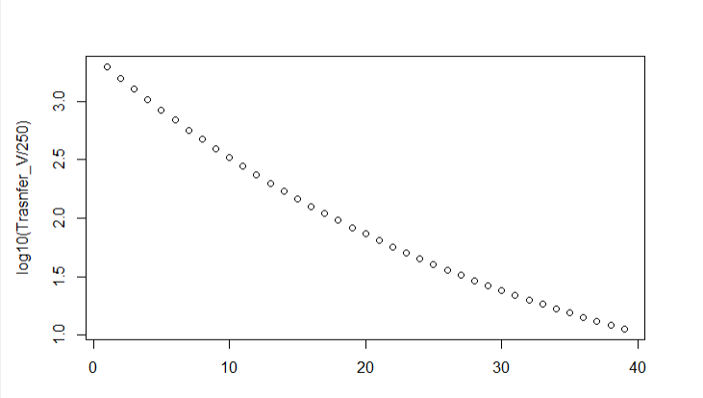
 |  | 3.4 | 627,971.61
0 |  | 3.4 | 627,971.61 | 130,031.74 | 2.72
0.25 | 0.25 | 3.2992368883 | 497,939.86 | 100,382.30 | 2.60
0.5 | 0.25 | 3.2014600133 | 397,557.57 | 78,020.76 | 2.49
0.75 | 0.25 | 3.1065808742 | 319,536.80 | 61,040.94 | 2.39
1 | 0.25 | 3.0145135931 | 258,495.87 | 48,062.38 | 2.28
1.25 | 0.25 | 2.9251748373 | 210,433.48 | 38,078.54 | 2.18
1.5 | 0.25 | 2.8384837435 | 172,354.95 | 30,350.53 | 2.08
1.75 | 0.25 | 2.7543618451 | 142,004.42 | 24,332.45 | 1.99
2 | 0.25 | 2.6727330009 | 117,671.97 | 19,618.41 | 1.89
2.25 | 0.25 | 2.5935233262 | 98,053.55 | 15,904.77 | 1.80
2.5 | 0.25 | 2.516661126 | 82,148.78 | 12,963.00 | 1.71
2.75 | 0.25 | 2.4420768301 | 69,185.78 | 10,620.13 | 1.63
3 | 0.25 | 2.36970293 | 58,565.65 | 8,744.48 | 1.54
3.25 | 0.25 | 2.2994739179 | 49,821.17 | 7,235.23 | 1.46
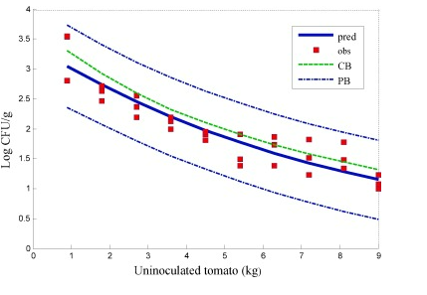
3.5 | 0.25 | 2.2313262276 | 42,585.94 | 6,014.83 | 1.38
3.75 | 0.25 | 2.1651981764 | 36,571.11 | 5,023.25 | 1.30
4 | 0.25 | 2.10102991 | 31,547.86 | 4,213.85 | 1.23
4.25 | 0.25 | 2.0387633478 | 27,334.01 | 3,550.16 | 1.15
4.5 | 0.25 | 1.9783421305 | 23,783.85 | 3,003.56 | 1.08
4.75 | 0.25 | 1.919711569 | 20,780.29 | 2,551.47 | 1.01
5 | 0.25 | 1.8628185951 | 18,228.82 | 2,175.99 | 0.94
5.25 | 0.25 | 1.8076117133 | 16,052.83 | 1,862.88 | 0.87
5.5 | 0.25 | 1.7540409542 | 14,189.95 | 1,600.76 | 0.81
5.75 | 0.25 | 1.7020578293 | 12,589.19 | 1,380.49 | 0.74
6 | 0.25 | 1.6516152872 | 11,208.70 | 1,194.70 | 0.68
6.25 | 0.25 | 1.6026676708 | 10,014.00 | 1,037.43 | 0.62
6.5 | 0.25 | 1.5551706762 | 8,976.58 | 903.83 | 0.56
6.75 | 0.25 | 1.5090813126 | 8,072.75 | 789.96 | 0.50
7 | 0.25 | 1.4643578629 | 7,282.79 | 692.57 | 0.44
7.25 | 0.25 | 1.4209598467 | 6,590.22 | 609.02 | 0.39
7.5 | 0.25 | 1.3788479833 | 5,981.20 | 537.12 | 0.33
7.75 | 0.25 | 1.3379841558 | 5,444.08 | 475.05 | 0.28
8 | 0.25 | 1.2983313773 | 4,969.03 | 421.31 | 0.23
8.25 | 0.25 | 1.2598537568 | 4,547.72 | 374.64 | 0.18
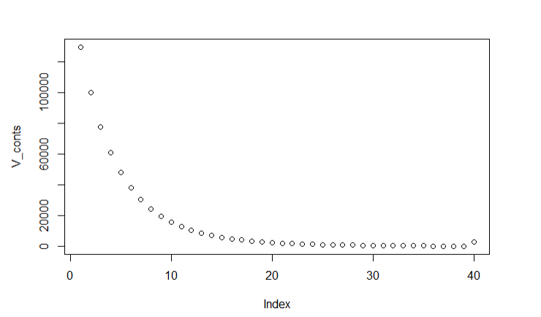
8.5 | 0.25 | 1.2225164672 | 4,173.08 | 334.01 | 0.13
Contamination Plot due to trasnfer
8.75 | 0.25 | 1.1862857133 | 3,839.07 | 298.53 | 0.08
9 | 0.25 | 1.1511287015 | 3,540.53 | 267.48 | 0.03
9.25 | 0.25 | 1.1170136104 | 3,273.06 | 240.22 | (0.02)
9.5 | 0.25 | 1.0839095612 | 3,032.84 | 216.23 | (0.06)
9.75 | 0.25 | 1.0517865906 | 2,816.61 | 195.07 | (0.11)
10 | 0.25 | 1.020615623 | 2,621.53 | 2,621.53 | 1.02

 |  |  |  |  |  |  |  |  |  | 6

